CLT
Central Limit Theorem
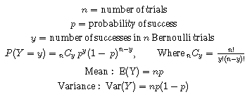

Y = number of Heads
Flip a coin | n=1 |  | n=5 |  | n=10

 | Y | P(Y) | Y | P(Y) | Y | P(Y)
 | 0 | 0.5 | 0 | 0.03125 | 0 | 0.0009765625
 | 1 | 0.5 | 1 | 0.15625 | 1 | 0.009765625
 |  |  | 2 | 0.3125 | 2 | 0.0439453125
 |  |  | 3 | 0.3125 | 3 | 0.1171875
 |  |  | 4 | 0.15625 | 4 | 0.205078125
 |  |  | 5 | 0.03125 | 5 | 0.24609375
 |  |  |  |  | 6 | 0.205078125
 |  |  |  |  | 7 | 0.1171875
 |  |  |  |  | 8 | 0.0439453125
 |  |  |  |  | 9 | 0.009765625
 |  |  |  |  | 10 | 0.0009765625

